Sheet1
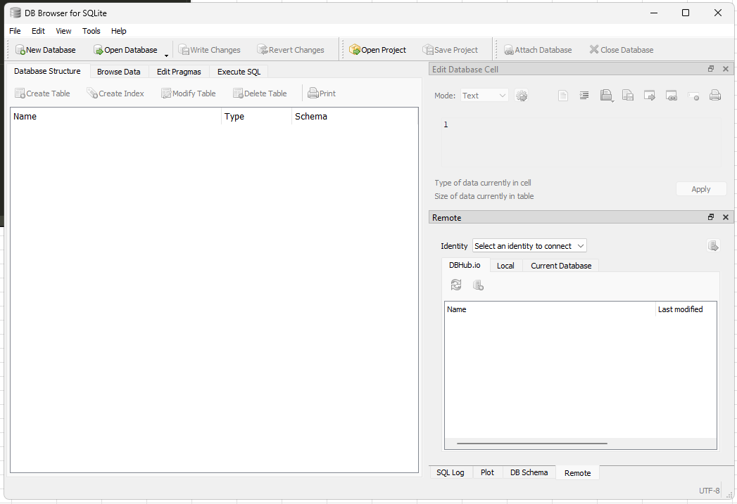
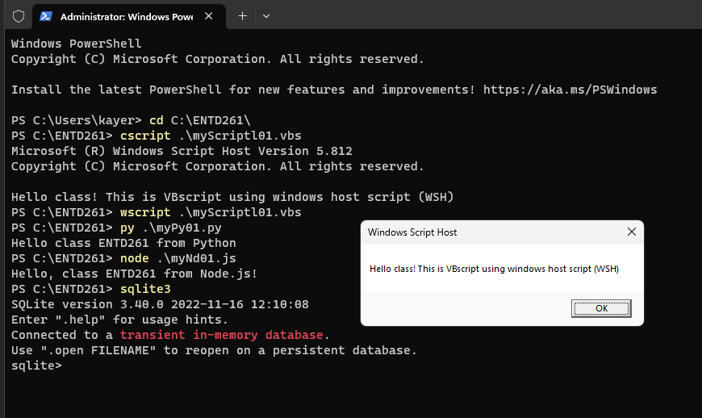
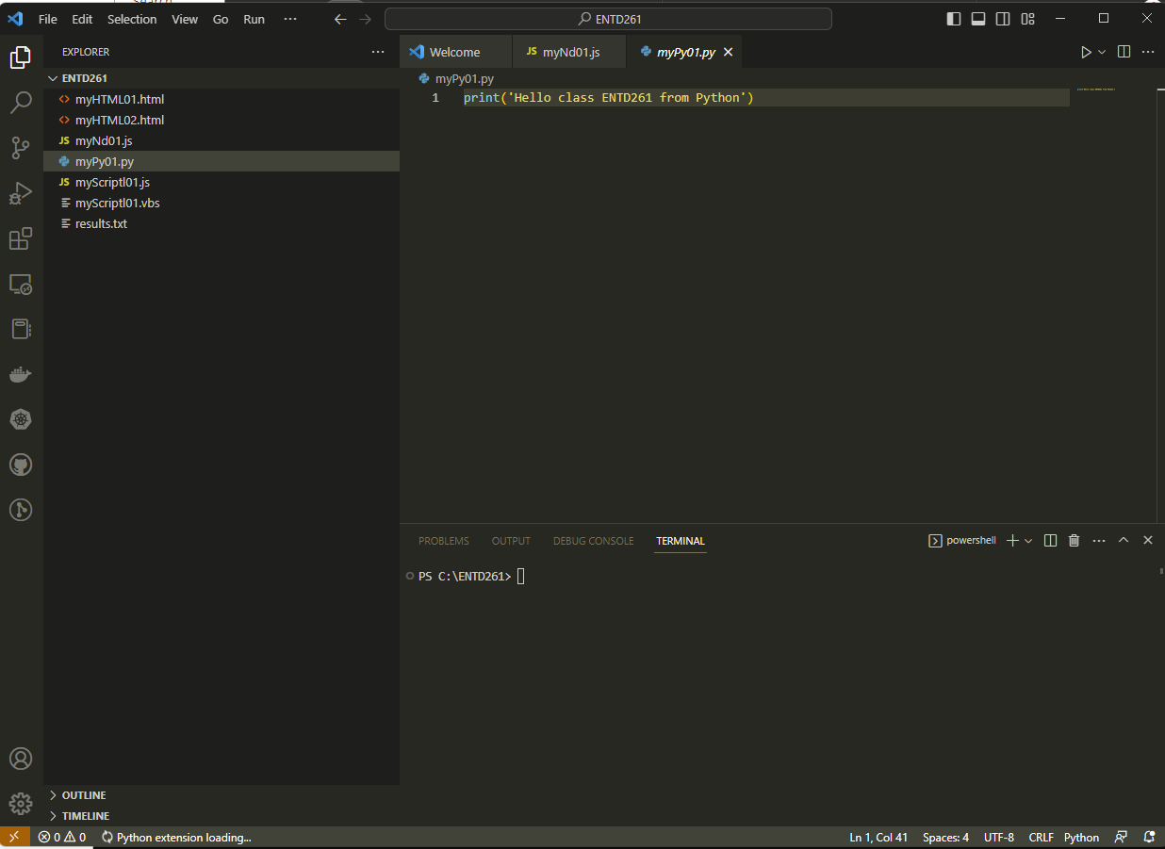
ENTD261 | W1 Tools Installation
Installation
 | Python
 | DB Browser
 | Editor
 | Node.js
Testing
 | VBScript
 | Jscript
 | Node.js
 | Python
 | SQL
 | Excel Sheet

